Introduction
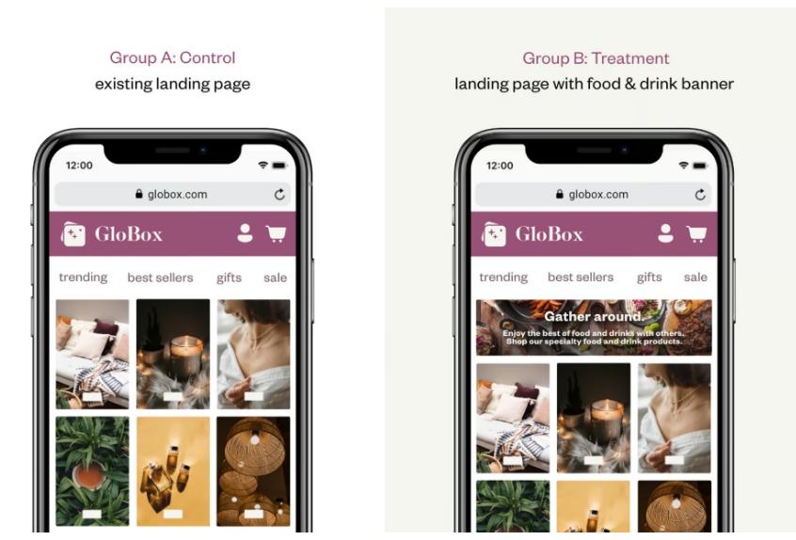
INTRODUCTION
 | A/B Test Setup
 | The Growth team decides to run an A/B test that highlights key products in the food and drink category as a banner at the top of the website. The control group does not see the banner, and the test group sees it as shown below:

